Information Reference
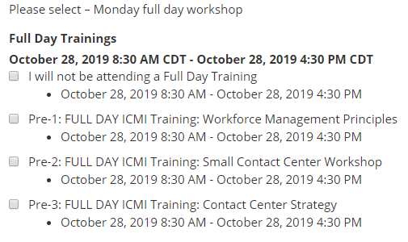
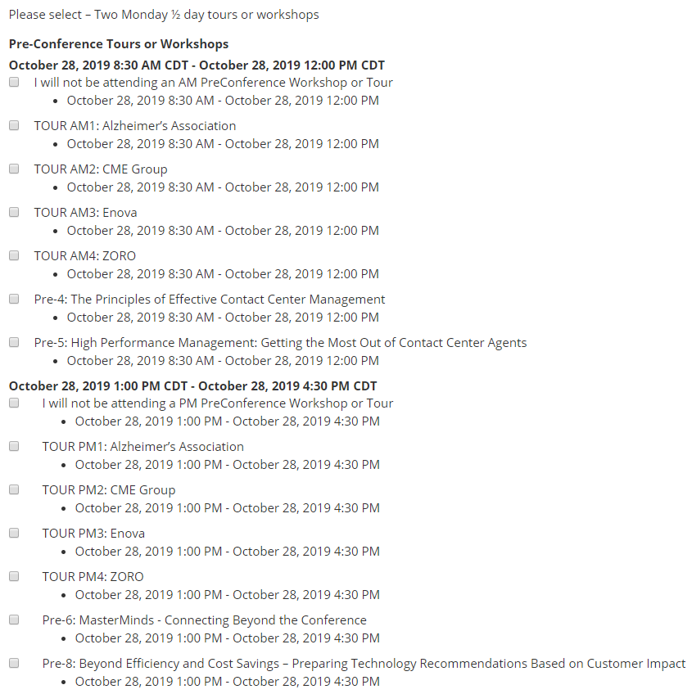
Click here to read about the workshop choices .
 | NOTE: Limited seats are available for tours and are on a first come, first serve basis.
 | To see which ones still have availability, please visit: |  | https://www.icmi.com/CCCTours

3-DAY ICMI TRAINING PASS OPTIONS |  | 3-DAY PASS OPTIONS

